TRIO Fact Sheet
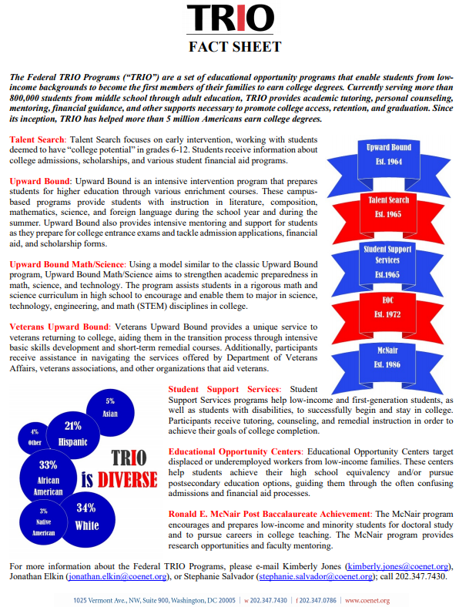
https://drive.google.com/file/d/13ZNfc-LVTnqSAd8vBPjNRjwV14QyNiGp/view

